AVAIL GOODS
Image | Style | Description | Size/Color | Case Pack | Avail | Comp Retail | Expiration | Units per pallet for ttl qty | Cases per pallet for total style | UPC
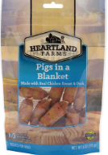 | DG0029 | HF Pigs in a Blanket 6OZ | 6oz | 24 | 147,264 | $5.50 | 54,048-1/9/26 88,136- 3/29/26 9,480- 4/20/26 | 2,016 | 84 | 8-40139-92043-1
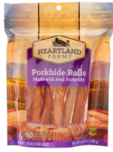 | DG0030 | HF Porkhide Rolls 6CT | 6ct | 24 | 117,024 | $5.50 | 105,072- 12/13/25 11,952-2/28/26 | 1,848 | 77 | 8-40139-92044-8
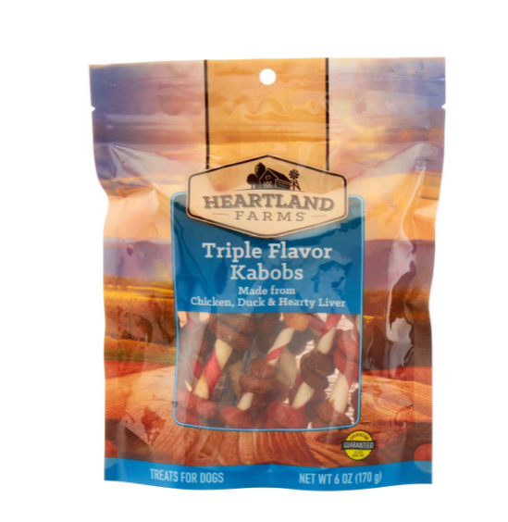 | DG0031 | HF TRIPLE FLAV KABOBS 6OZ | 6oz | 24 | 26,624 | $5.50 | 26,624- 2/1/26 | 1,680 | 70 | 8-40139-92045-5
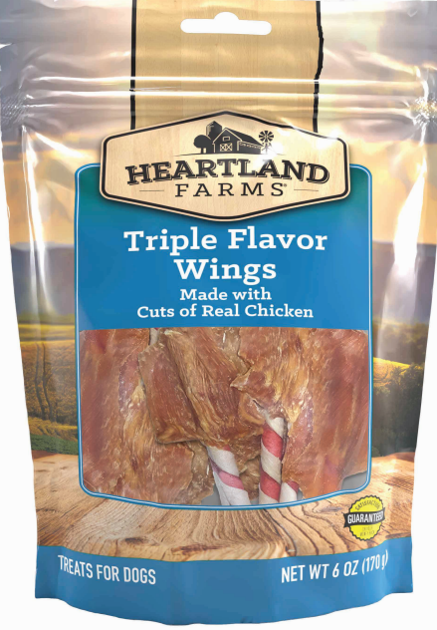 | DG0033 | HF TRIPLE FLAV WINGS 6OZ | 6oz | 24 | 139,728 | $5.50 | 9,816- 1/31/26 126,624- 3/9/26 8,808- 4/1/26 | 1,728 | 72 | 8-40139-92047-9

